Sheet1
HIGH LEVEL SCHEMATIC DRAWING - ONLY FOR ILLUSTRATIVE PURPOSES (VALUES IN TABLE BELOW ARE CORRECT)

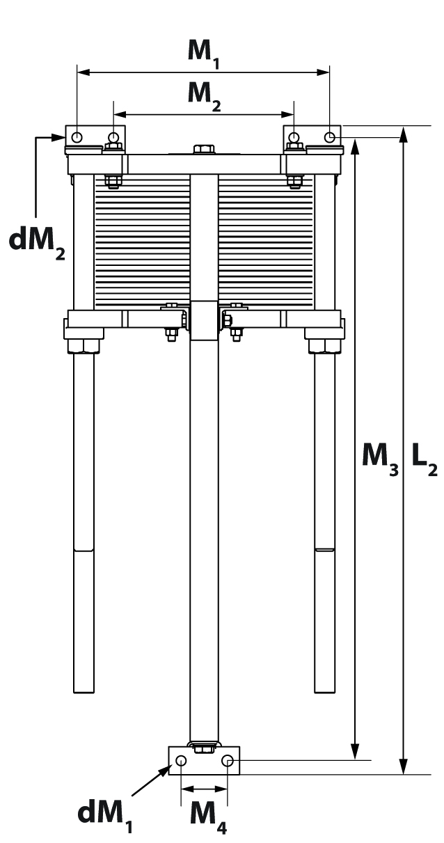
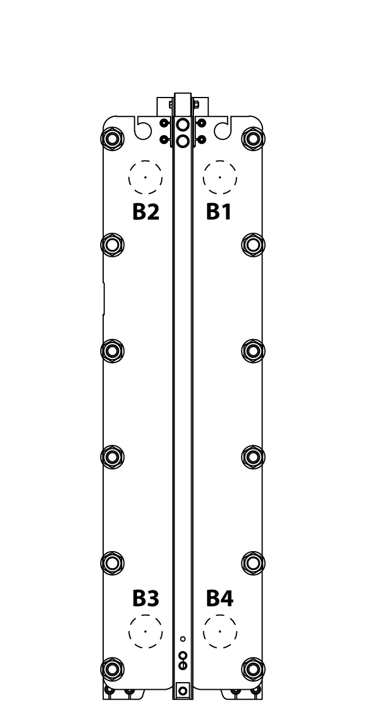
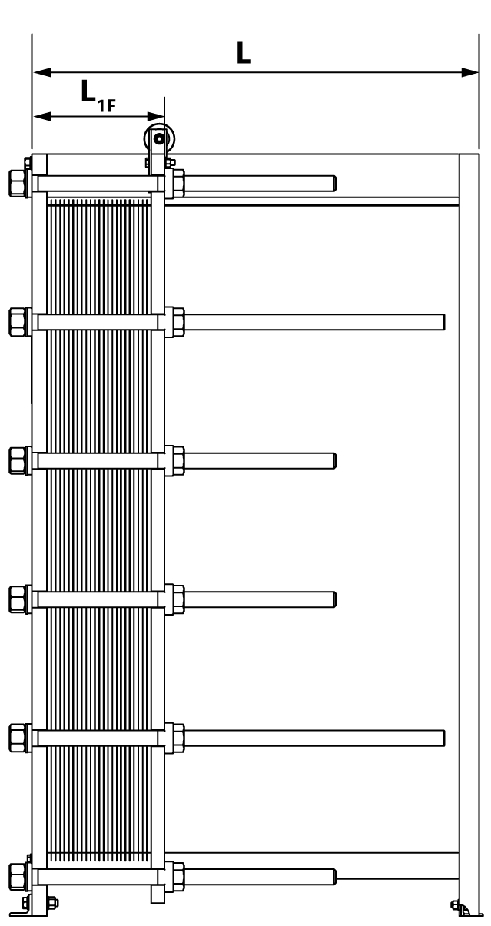
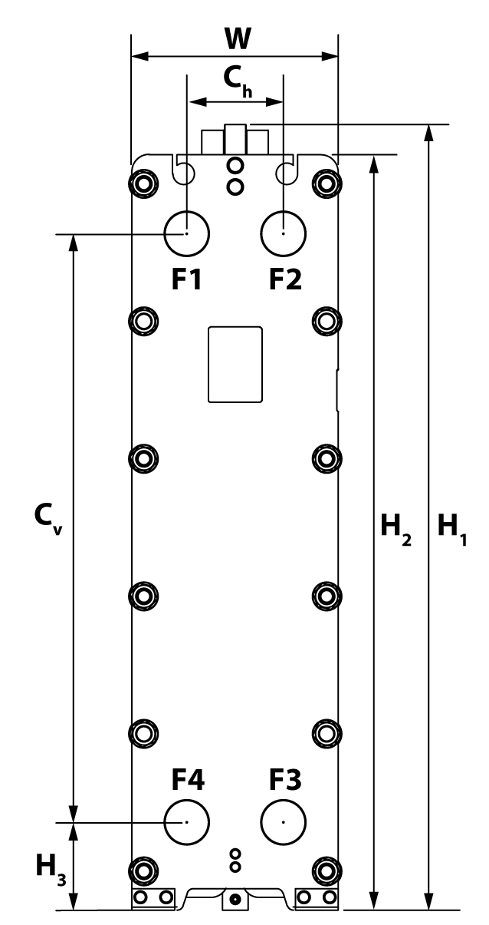

 | Connections | Side 1: Inlet F1 / Outlet F4 |  |  | Dimensions

 |  |  |  | Cv |  | 50.866 |  |  | L1f |  |  | 37.764
 |  | F1: 6" B16.5#150 Studded end, 316 cladded

 |  |  |  | Ch |  | 11.654 |  |  | L |  |  | 101.772

 |  | F4: 6" B16.5#150 Studded end, 316 cladded

 |  |  |  | H1 |  | 76.850 |  |  | L2 |  |  | 103.740

 |  | M: | M20
 |  |  |  | H2 |  | 72.913 |  |  | M1 |  |  | 20.748

 |  | BC: | 0.79
 |  |  |  | H3 |  | 10.906 |  |  | M2

 |  | No. of bolts: | 8 |  |  |  |  |  |  |  |  |  |  | Tolerances:
 |  |  |  | W |  | 24.685 |  |  | M3 |  |  | 99.803

 |  |  |  |  |  |  |  |  |  |  |  |  |  | Customer Name:
 |  |  |  | dM1/dM2 |  | 0.709 / 0.709 |  |  | M4

 |  |  |  |  |  |  |  |  |  |  |  |  |  | Calculation Number:
 |  |  |  | Tie Bolts |  | 8 pcs. M30 (4 Short, 4 Long)

 |  |  |  |  |  |  |  |  |  |  |  |  |  | Date of quotation:

 |  | Side 2: Inlet F3 / Outlet F2 |  | Data |  |  |  | Side 1 |  |  | Side 2

 |  |  |  |  |  |  |  |  |  |  |  |  |  | Danfoss HEXSelector Version:

 |  |  |  |  |  |  |  |  |  |  |  |  |  | HEX Type:
 |  |  |  | Inlet Temp. |  |  | 90.0 [°F] |  |  | 78.0 [°F]
 |  | F3: 6" B16.5#150 Studded end, 316 cladded

 |  |  |  |  |  |  |  |  |  |  |  |  |  | Design Code
 |  |  |  | Outlet Temp. |  |  | 80.0 [°F] |  |  | 88.0 [°F]

 |  | F2: 6" B16.5#150 Studded end, 316 cladded
 |  |  |  |  |  |  |  |  |  |  |  |  |  | Design Temperature:
 |  |  |  | Flow Rate |  |  | 980.00 [GPM (US)] |  |  | 979.65 [GPM (US)]

 |  | M: | M20 |  |  |  |  |  |  |  |  |  |  | Design Pressure:
 |  |  |  | Pressure Loss |  |  | 8.65 [psi(g)] |  |  | 8.65 [psi(g)]

 |  | BC: | 0.79 |  |  |  |  |  |  |  |  |  |  | Test Pressure:
 |  |  |  | Fluid Media |  |  | Water |  |  | Water

 |  |  |  |  |  |  |  |  |  |  |  |  | Danfoss can accept no responsibility for possible errors in catalogues, brochures, videos and other material. Danfoss reserves the right to alter its products without notice. This also applies to products already on order provided that such alterations can be made without subsequential changes being necessary in specifications already agreed. The drawings shown are high level schematic drawings only for illustrative purposes. All trademarks in this material are property of the respective companies. Danfoss and the Danfoss logotype are trademarks of Danfoss A/S. All rights reserved.
 |  | No. of bolts: | 8
 |  |  |  | Heat Load |  |  | 4878051.99 [BTU/h]

 |  |  |  | Weight, empty/operating |  |  | 3477 [lb] / 4875 [lb]

